The Fast and the Curious BOM
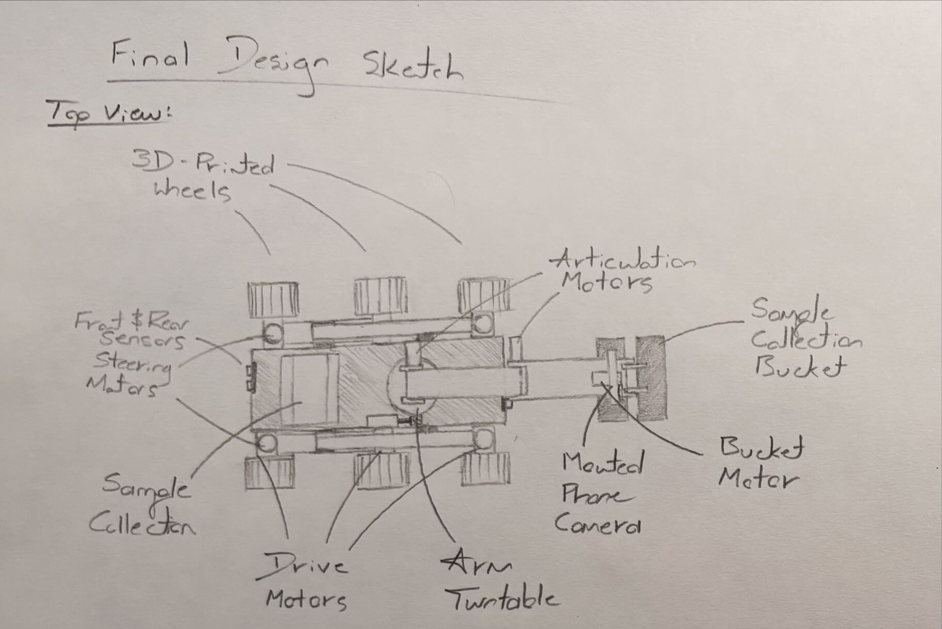
Final Design BOM | Part Name | # Of Parts | Unit Price | Total Cost | Preliminary sourcing link(s) | Categorical Statistics | Categorical Values
Chassis |  |  |  |  |  | # Of Unique Chassis Parts | 1
Aluminum Sheet |  | 1 | $169.80 | $169.80 | https://www.mcmaster.com/9246k475/ | Total # Of Chassis Parts | 1
 |  |  |  | $0.00 |  | Average Unit Price | $169.80
 |  |  |  | $0.00 |  | Total Chassis Cost | $169.80
 |  |  |  | $0.00 |  | Percent of Current Budget | 15.93%
 |  |  |  | $0.00 |  | Percent of Total Budget | 16.98%
SELECT AND INSERT NEW ROW ABOVE HERE |  |  |  | $0.00
Suspension & Steering |  |  |  |  |  | # Of Unique S&S Parts | 7
Aluminum Sheet |  | 1 | $169.80 | $169.80 | https://www.mcmaster.com/9246k475/ | Total # Of S&S Parts | 13
Wheel tires (4 pack) |  | 2 | $14.97 | $29.94 | https://www.amazon.com/4-Pack-HobbyPark-2-99-inch-Rubber/dp/B071ZX9JB7/ref=sr_1_1?crid=3OJ0I1DI5RI0D&dib=eyJ2IjoiMSJ9.vCyUc310UFxDjUgj3ZqJVw59bqYUCB4B8m5rB05yqp4WCaZd-ttfW76GwTSs71jHPZIl-hyEt9ZZPaJ5FddA4BZ5JXLvSEmc0K0VaftEYYEHXObC4u5SdVdh7fcertn4DS0gjADI-g4saFWTnK6majM6gPKowWhSwRZGz-Z963-XV2ctRTHylppXtrjb1Jo_-t0yXuu6kcCPlU2sZh-bmyxTL_NbUEniS3QCC5CLYhYjkkmJk_sIlLVhbF9aycdB0cnjYbrBjIpx4diz1oWhSJMHAkwqMFtowkESjSuQ6BE.tHwMyqhcB7lRVnjoe9vvJ58VbSEIqKc0QV3v9GRTGUw&dib_tag=se&keywords=Tires+for+rc+car+3+inch+outer+diameter+6+pack&qid=1750185377&sprefix=tires+for+rc+car+3+inch+outer+diameter+6+pack%2Caps%2C150&sr=8-1 | Average Unit Price | $37.37
Series 20 Motor | 195:1 Metal Gearmotor | 6 | $33.07 | $198.42 | https://www.pololu.com/product/3481 | Total S&S Cost | $441.88
dowel pins-short |  | 1 | $9.11 | $9.11 | https://www.mcmaster.com/98381A910/ | Percent of Current Budget | 41.45%
joint bearings |  | 1 | $9.99 | $9.99 | https://www.amazon.com/dp/B0CXXBHWCX/ref=sspa_dk_detail_0?pd_rd_i=B09QKP38SW&pd_rd_w=v5xl6&content-id=amzn1.sym.8c2f9165-8e93-42a1-8313-73d3809141a2&pf_rd_p=8c2f9165-8e93-42a1-8313-73d3809141a2&pf_rd_r=V2TW3HMK67KXZPMDH4XM&pd_rd_wg=ttb7z&pd_rd_r=c179ebd8-0c16-4fdd-86ef-3b87794348a0&sp_csd=d2lkZ2V0TmFtZT1zcF9kZXRhaWw&th=1 | Percent of Total Budget | 44.19%
Bolts |  | 1 | $11.15 | $11.15 | https://www.mcmaster.com/91310a124/
female ends |  | 1 | $13.47 | $13.47 | https://www.amazon.com/dp/B0CV43VQHN/ref=syn_sd_onsite_desktop_0?ie=UTF8&psc=1&pd_rd_plhdr=t&aref=0ED2V8mSYO
 |  |  |  | $0.00
 |  |  |  | $0.00
 |  |  |  | $0.00
 |  |  |  | $0.00
SELECT AND INSERT NEW ROW ABOVE HERE |  |  |  | $0.00
Sample Arm |  |  |  |  |  | # Of Unique SA Parts | 4
6mm shaft 2ft [609mm] CHECK ELSEWHERE 6MM | Linear shaft Diameter: 4mm Length: 600mm | 1 | $22.67 | $22.67 | https://shop.pbclinear.com/collections/linear-shafting-and-rails/products/nim04-0600-sl?_pos=1&_sid=5ae6af1e4&_ss=r | Total # Of SA Parts | 5
Series 20 Motor Extended Shaft | 195:1 Metal Gearmotor with Extended Motor Shaft | 2 | $36.35 | $72.70 | https://www.pololu.com/product/3493 | Average Unit Price | $20.62
Micro Servo | HS-55 Servo-Clockwise (Servo) | 1 | $13.49 | $13.49 | https://www.servocity.com/hs-55-servo/ | Total SA Cost | $118.81
Motor Encoder | Magnetic Encoder Pair Kit for 20D [2 included] | 1 | $9.95 | $9.95 | https://www.pololu.com/product/3499 | Percent of Current Budget | 11.14%
 |  |  |  | $0.00 |  | Percent of Total Budget | 11.88%
SELECT AND INSERT NEW ROW ABOVE HERE |  |  |  | $0.00
Electronics |  |  |  |  |  | # Of Unique Electronics Parts | 9
L298N Motor Controller | 4 Pack L298N Motor Drive Controller Board | 1 | $9.99 | $9.99 | https://www.amazon.com/Controller-H-Bridge-Stepper-Control-Mega2560/dp/B07WS89781?source=ps-sl-shoppingads-lpcontext&ref_=fplfs&smid=A2Z10KY0342329&gQT=1&th=1 | Total # Of Electronics Parts | 10
Stepper Motor - NEMA 17 |  | 1 | $12.99 | $12.99 | https://www.amazon.com/Stepper-Motor-Bipolar-64oz-Printer/dp/B00PNEQI7W/ref=as_li_ss_tl?s=electronics&ie=UTF8&qid=1533380482&sr=1-4&keywords=nema+17&linkCode=sl1&tag=howto045-20&linkId=4d8077d1565e22e3079d6a4a87fd6a1d | Average Unit Price | $24.88
A4988 Stepper Driver |  | 1 | $10.19 | $10.19 | https://www.amazon.com/HiLetgo-Stepstick-Stepper-Printer-Compatible/dp/B07BND65C8?crid=MZ0PR37OD00W&keywords=A4988&qid=1698360276&s=industrial&sprefix=a4988+,industrial,232&sr=1-4&linkCode=sl1&tag=howto045-20&linkId=86f89ffb84d438979de611315933a659&language=en_US&ref_=as_li_ss_tl | Total Electronics Cost | $250.85
Arduino MEGA |  | 1 | $50.94 | $50.94 | https://www.amazon.com/ARDUINO-MEGA-2560-REV3-A000067/dp/B0046AMGW0/ref=as_li_ss_tl?s=pc&ie=UTF8&qid=1539468874&sr=1-4&keywords=arduino+mega&linkCode=sl1&tag=howto045-20&linkId=52eaf0e103e4209070ac3c480d01bd62&language=en_US | Percent of Current Budget | 23.53%
DC-DC Buck Conveter |  | 1 | $11.99 | $11.99 | https://www.amazon.com/XLX-Adjustable-Step-Down-1-25-36V-XL4016E1-Regulating/dp/B07Z8Q6NYX?pd_rd_i=B07Z8Q6NYX&psc=1&linkCode=sl1&tag=howto045-20&linkId=4813ca8f2cf110936e6a39397abb0ef3&language=en_US&ref_=as_li_ss_tl | Percent of Total Budget | 25.09%
3S LiPo Battery |  | 1 | $26.99 | $26.99 | https://www.amazon.com/1800mAh-M4-FPV250-Shredder-Nighthawk-Airplane/dp/B013I9SAHO?pd_rd_i=B013I9SAHO&psc=1&linkCode=sl1&tag=howto045-20&linkId=196ac6b8d81414c03e2243a5c4a39ddb&language=en_US&ref_=as_li_ss_tl
XT60 Connector |  | 1 | $13.99 | $13.99 | https://www.amazon.com/dp/B07CN3RZRF/ref=sspa_dk_detail_1?psc=1&pd_rd_i=B07CN3RZRF&pd_rd_w=6vEpU&content-id=amzn1.sym.386c274b-4bfe-4421-9052-a1a56db557ab&pf_rd_p=386c274b-4bfe-4421-9052-a1a56db557ab&pf_rd_r=80NH798ZYQ45FEHTCTSB&pd_rd_wg=nSosU&pd_rd_r=4fad186b-8c15-48b5-968d-85be6a23af7c&sp_csd=d2lkZ2V0TmFtZT1zcF9kZXRhaWxfdGhlbWF0aWM
Servos | 25 KG Digital Servo [2 included] | 2 | $26.89 | $53.78 | https://www.amazon.com/DS3225-Waterproof-Digital-Aluminium-Steering/dp/B08RJGVH7D?dchild=1&keywords=DS3225&qid=1622734644&s=industrial&sr=1-7&linkCode=sl1&tag=howto045-20&linkId=2b2bc1ae5b56fb29db930cd0d2983ac7&language=en_US&ref_=as_li_ss_tl
Rc set |  | 1 | $59.99 | $59.99 | https://www.gobilda.com/element-6-radio-control-system-mode-2/
 |  |  |  | $0.00
 |  |  |  | $0.00
 |  |  |  | $0.00
SELECT AND INSERT NEW ROW ABOVE HERE |  |  |  | $0.00
Interfacing (collars, hubs, couplers, fasteners) |  |  |  |  |  | # Of Unique Interfacing Parts | 5
Shaft Collar | Universal Mounting Hub for 4mm Shaft, M3 Holes [2 included] | 1 | $10.95 | $10.95 | https://www.pololu.com/product/1997 | Total # Of Interfacing Parts | 18
Lazy Susan Bearing | 2" Lazy Susan Turntable | 1 | $3.99 | $3.99 | https://www.amazon.com/Turntable-Bearing-Rotating-Cabinet-Profile/dp/B0BHQQMG71/ref=asc_df_B0BHQQMG71?mcid=aa1223603c5d3ff99ed5755e90876eed&hvocijid=2326701889670744270-B0BHQQMG71-&hvexpln=73&tag=hyprod-20&linkCode=df0&hvadid=721245378154&hvpos=&hvnetw=g&hvrand=2326701889670744270&hvpone=&hvptwo=&hvqmt=&hvdev=c&hvdvcmdl=&hvlocint=&hvlocphy=9061203&hvtargid=pla-2281435177618&th=1 | Average Unit Price | $9.19
Dowel Pins | Dowel Pins 1" Diameter, 1.5" Length | 1 | $17.14 | $17.14 | https://www.mcmaster.com/products/dowel-pins/length~10/length~1-1-4/ | Total Interfacing Cost | $84.80
Retaining Rings | Self-Locking External Retaining Rings [50ct] | 1 | $10.86 | $10.86 | https://www.mcmaster.com/90341A103/ | Percent of Total Budget | 8.48%
L Brackets |  | 14 | $2.99 | $41.86 | https://www.mcmaster.com/17715a43/
 |  |  |  | $0.00
SELECT AND INSERT NEW ROW ABOVE HERE |  |  |  | $0.00

Total Budget: | $1,000.00

 | Unique Items | Total Part Count | Remaining Budget | Total Cost | Percent of Personal Budget Used:
TOTALS | 11 | 47 | -$66.14 | $1,066.14 | 106.61%

